Introduction
Introduction to the ITCF maturity assessment model The maturity assessment model for the Internal Tax Control Framework (hereinafter: ITCF) is the internal part of the Ministry's of Finance Guidelines on the Internal Tax Control Framework (hereinafter: Guidelines). The ITCF elements assessed under the model are directly reflected in the content of these Guidelines. ITCF understood as a set of activities and tools ensuring supervision over tax matters, were implemented in each enterprise, however the level of their effectiveness and adequacy, and in consequence their quality, is differentiated. The presented ITCF maturity assessment model aims at providing objective and reliable information to assess the level of its quality. The model defines the path of gradual ITCF development, showing the development roadmap to the taxpayers. ITCF assessment made with the model acts as a guide to determine the level of maturity of supervision over tax matters implemented by the taxpayer and the measures that need to be taken to improve this supervision. One of the primary objectives of implementing the ITCF maturity assessment model is to facilitate preparation and applying for the Cooperative Compliance Programme, owing to the possibility of performing the objective self-assessment of the ITCF maturity level by the taxpayer and of ensuring transparency of the assessment rules and clear determination of minimum requirements for the framework that should be met by the Programme participant. This model may be naturally used both by any entity applying to the Cooperative Compliance Programme and by any and each enterprise willing to assess and develop ITCF in its organisation. Thus, the purpose of the model is also to build awareness of taxpayers on ITCF and elements of importance to ensure its effectiveness. Similarly as the Guidelines, the model is non-normative and constitutes a set of expected rather than obligatory solutions. Therefore, while making a model-based assessment,
The organisation’s readiness and willingness for continuous ITCF development is an important aspect of maturity level. This means that the organisation with level 3 maturity should work on further development of ITCF rather than look to its laurels. This development should be gradual and aligned with the capacities and maturity level of the organisation in other areas of its activity in order to ensure that the ITCF development complies with development of the organisation as a whole. Each level of ITCF maturity assessment has a general characteristics presented in sheet 2 and at each maturity level in the individual model areas. General characteristics of ITCF maturity level acts as a reference point for the organisation, if there are any doubts as to at what level the implementation of both ITCF as a whole and the individual areas or detailed requirements resulting from the Guidelines should be assessed. The ITCF maturity assessment model covers nine areas: 1. Tax strategy, 2. Organisational culture, 3. Tax governance, 4. Tax function organisation, 5. Tax risk management, 6. Internal control, 7. Tax function staff, 8. IT support for tax function, 9. External control mechanisms. The two remaining ITCF areas i.e. communication and information and internal audit are not assessed separately under the ITCF maturity model. Their quality is assessed when assessing the individual attributes in the individual model areas. For the purposes of further specification of the areas, they were divided to scopes and then to attributes. Attributes are specific issues for which the organisation should take measures to ensure the effectiveness and adequacy of ITCF in the area concerned. Being aware that certain ITCF elements may be absent in a given organisation, the model clearly identifies the attributes which are therefore of facultative nature: • Role and responsibility of the Supervisory Board/Audit Committee • Outsourcing of the tax function • Supervision over tax juris
The assessment of attribute is the product of weight and score obtained depending on the maturity level (for example level 1 ad hoc = 1 point). The next step is to assess the scope by calculating the weighted average on the basis of attribute assessments. Then the ITCF area is assessed as an arithmetical mean of assessments of scopes forming a given area. The last step is calculation of arithmetical mean of ITCF area assessments, which constitutes the overall assessment of ITCF maturity level. The assessments are purposefully not rounded up to indicate the potential areas, scopes and attributes requiring improvements. The exemplary assessment of the tax governance area, which was divided in two scopes and five attributes is presented below:
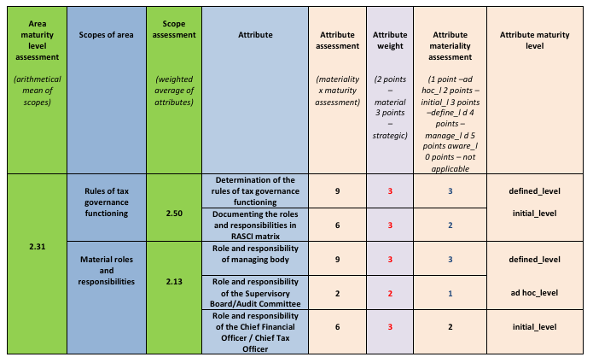

The higher the ITCF maturity level, the lower probability that the taxpayer takes measures resulting in tax irregularities. Greater capacity and willingness of the assessed entity to comply with tax obligations translate into higher level of trust and less stringent supervision by PFSA under the Compliance Cooperative Programme. This model will be periodically reviewed, studied and analysed to update the descriptions of maturity levels. “Good ITCF practices” supplement the model and Guidelines and constitute a practical guide containing the examples of ITCF implementation in the individual areas.

